EQ SC SSH - Containment
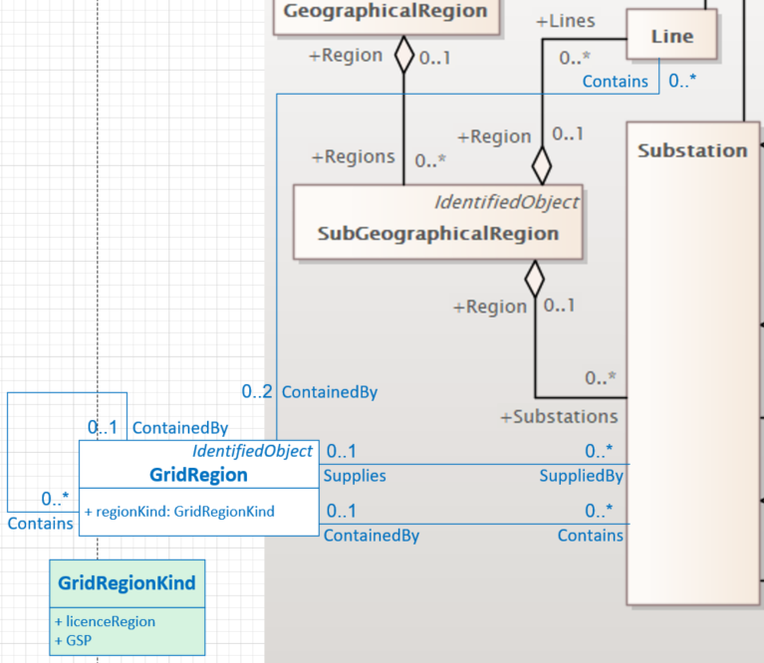
Class | Parent Class or Class | Attribute | Description (CIM Notes) | LTDS Profile | LTDS UML Constraint | LTDS Additional Constraints | Change from CGMES 3.0 | In CGMES 3.0 profile | In 61970-452 Ed4 EQ, SC, OP or 61970-456 Ed3 SSH profiles | In 61968-13 Ed 2 Functional profile | In CIM information model | Comments / Questions | Existing LTDS requirement | Proposed GC0139 requirement
Instance Requirements |  |  | General Philosophy for containment: All ConductingEquipment is contained in Lines or (directly or indirectly) in Substations Mandatory - Every ConductingEquipment is contained in either a Line or (directly or indirectly) in a Substation and uses the EquipmentContainer association to describe its containment - Every ConductingEquipment within the substation fence is (either directly or indirectly) contained in Substation Allowed - Substation ConductingEquipment which is also functionally related to a line may be associated to Line using the AdditionalEquipmentContainer association General Philosophy for 'regions': Basic modeling of licence regions and GSPs is done consistently across all DNOs. Smaller containers can be modeled at the discretion of DNOs. Mandatory - Each DNO licence region is modeled with a GridRegion containing a GridRegion for each of its GSPs - Each GSP GridRegion is associated with its supplying Substation(s) and each GSP GridRegion contains (either directly or indirectly) the appropriate Substations and the appropriate Lines Allowed - Use of additional GridRegions for smaller nested groupings of substations and lines within a GSP GridRegion, which may or may not include an indication of supplying Substation(s) |  |  |  | The two 'region' containers (GeographicalRegion and SubGeographicalRegion) do not align well with UK needs and for LTDS, so an extension providing multiple levels of containment, each with one or more supplying substations, is proposed. This resulted in the removal of 2 classes from the EQ profile and the creation of a new class and a new enumerated class in the information model and their addition to the EQ profile. |  |  |  |  | Little change to existing LTDS: - information structured differently but content is essentially the same | GSP is used to organize table information and to group Node IDs
Unsatisfied requirements
GeographicalRegion |  |  |  |  |  |  |  |  |  |  |  | Chavdar: before removing and adding it will be good to see if we can reuse formthing form ENTSO-E extensions and adapt. We have required associations from Substation in 452 and CGMES which it will be hard to touch at this point as this will create confusion in existing tools
 | IdentifiedObject
 | IdentifiedObject | aliasName
 | IdentifiedObject | description
 | IdentifiedObject | mRID
 | IdentifiedObject | name
 | GeographicalRegion A geographical region of a power system network model. |  |  | none |  |  | realized by profile change (removed class) | EQ | EQ | Functional | yes | remove from profile (is replaced with new GridRegion model) --->

SubGeographicalRegion
 | IdentifiedObject
 | IdentifiedObject | aliasName
 | IdentifiedObject | description
 | IdentifiedObject | mRID
 | IdentifiedObject | name
 | SubGeographicalRegion A subset of a geographical region of a power system network model. |  |  | none |  |  | realized by profile change (removed class) | EQ | EQ | Functional | yes | remove from profile (is replaced with new GridRegion model) --->

GridRegion
 | IdentifiedObject
 | IdentifiedObject | aliasName
 | IdentifiedObject | description
AUTO | IdentifiedObject | mRID
YES | IdentifiedObject | name
 | GridRegion A region of the grid that contains substations, lines and other grid regions. A grid region aids in organizing the equipment of the grid for human understanding. It is used to suppport display navigation, equipment naming, and interaction with field crews. While a grid region is often reflective of connectivity, connectivity cannot be inferred from it. |  |  | EQ |  |  |  | none | none | none | no |  | p 7 "TABLE 1 - CIRCUIT DATA …S/S Group" p 8 "TABLE 2 - TRANSFORMER DATA …S/S Group" p 9 "TABLE 3 - LOAD INFORMATION …S/S Group" p 10 "TABLE 4 - FAULT LEVEL INFORMATION …S/S Group" p 11 "TABLE 5 - GENERATION ...S/S Group (Grid Supply Point)" p 13 "TABLE 6 - TABLE OF INTEREST IN A CONNECTION ...Grid supply point"
YES | GridRegion | regionKind | The kind of grid region, for example, Grid Supply Point or licence region. | EQ | 0..1 |  | realized by extension and profile change (added class and attribute) | none | none | none | no

GridRegionKind <<enumeration>>
 | GridRegionKind The kind of grid region. |  |  | EQ |  |  | realized by extension and profile change (added class & attributes) | none | none | none | no
 | EarthingMethodKind | licenceRegion | Solid Grounding (LTDS), Solid (GC0139)
 | EarthingMethodKind | GSP | Resistance Grounding (LTDS), Neutral Grounding Resistors (GC0139)

ConnectivityNode>EquipmentContainer
 | IdentifiedObject
 | IdentifiedObject | aliasName
 | IdentifiedObject | description
 | IdentifiedObject | mRID
 | IdentifiedObject | name
 | PowerSystemResource
 | ConnectivityNodeContainer A base class for all objects that may contain connectivity nodes or topological nodes. |  |  | EQ |  |  |  |  | EQ | Functional | yes
 | EquipmentContainer A modelling construct to provide a root class for containing equipment. |  |  | EQ |  | Every ConductingEquipment shall be associated with an EquipmentContainer |  |  | EQ | Functional | yes | does the constraint make sense? Anything else that should be in the EquipmentContainer? AuxiliaryEquipment maybe?

Line
 | IdentifiedObject
 | IdentifiedObject | aliasName
 | IdentifiedObject | description
AUTO | IdentifiedObject | mRID
YES | IdentifiedObject | name
 | PowerSystemResource
 | ConnectivityNodeContainer
 | EquipmentContainer
 | Line Contains equipment beyond a substation belonging to a power transmission line. |  |  | EQ |  |  |  |  | EQ | Functional | yes

Substation
 | IdentifiedObject
 | IdentifiedObject | aliasName
 | IdentifiedObject | description
AUTO | IdentifiedObject | mRID
YES | IdentifiedObject | name
 | PowerSystemResource
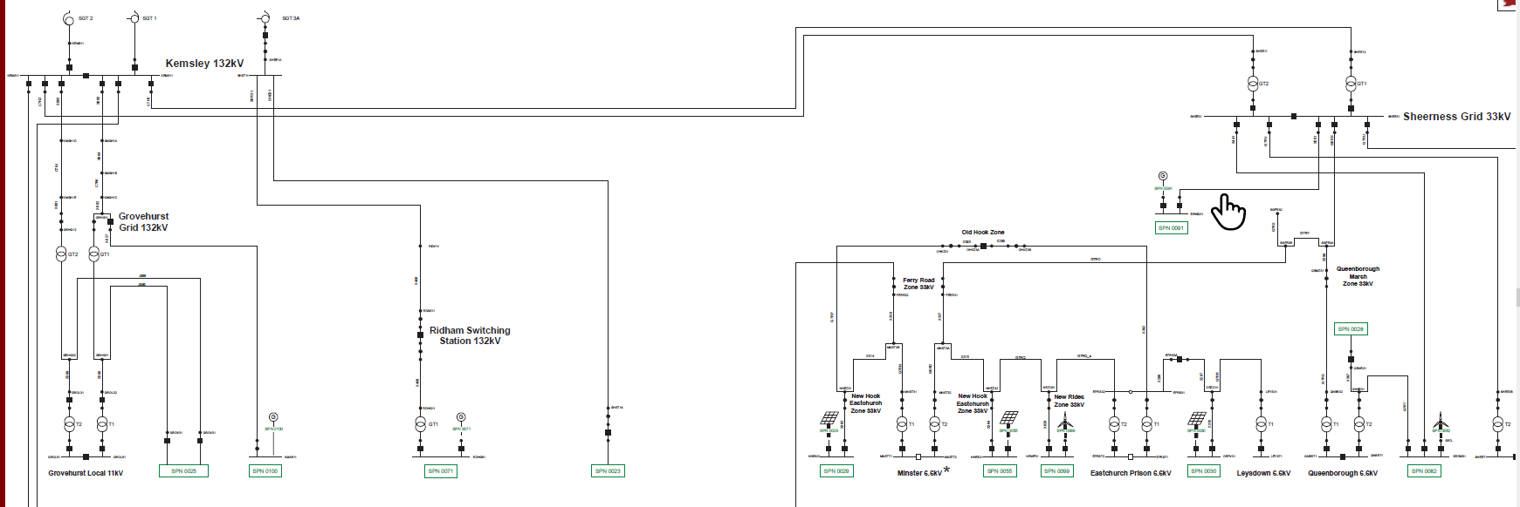
 | ConnectivityNodeContainer |  |  |  |  | :
 | EquipmentContainer
 | Substation A collection of equipment for purposes other than generation or utilization, through which electric energy in bulk is passed for the purposes of switching or modifying its characteristics. |  |  | EQ |  |  |  |  | EQ | Functional | yes |  | p 7 "TABLE 1 - CIRCUIT DATA …S/S or Busbar Name" p 8 "TABLE 2 - TRANSFORMER DATA …S/S or Busbar Name" p 9 "TABLE 3 - LOAD INFORMATION …S/S or Busbar Name" p 10 "TABLE 4 - FAULT LEVEL INFORMATION …S/S or Busbar Name" p 11 "TABLE 5 - GENERATION ...Supply Point ..Primary Substation" p 13 "TABLE 6 - TABLE OF INTEREST IN A CONNECTION ...Supply Point ..Primary Substation"

Bay
 | IdentifiedObject
 | IdentifiedObject | aliasName
 | IdentifiedObject | description
AUTO | IdentifiedObject | mRID
YES | IdentifiedObject | name
 | PowerSystemResource
 | ConnectivityNodeContainer
 | EquipmentContainer
 | Bay A collection of power system resources (within a given substation) including conducting equipment, protection relays, measurements, and telemetry. A bay typically represents a physical grouping related to modularization of equipment. |  |  | EQ |  | PowerTransformer shall not be contained in a Bay Every Bay shall be contained in a VoltageLevel |  |  | EQ | Functional | yes | is there a universally understood meaning for 'Bay' in the UK? For example, would everyone know where the containment boundaries would be on the 132, 133, 6.6 kV subsations to the right? ---> any ConductingEquipment that should be directly in Bay?
 | Bay | bayEnergyMeasFlag | Indicates the presence/absence of energy measurements. | none |  |  |  |  | none | none | yes
 | Bay | bayPowerMeasFlag | Indicates the presence/absence of active/reactive power measurements. | none |  |  |  |  | none | none | yes
 | Bay | breakerConfiguration | Breaker configuration. | none |  |  |  |  | none | Functional 0..1 | yes
 | Bay | busBarConfiguration | Busbar configuration. | none |  |  |  |  | none | none | yes

VoltageLevel
 | IdentifiedObject
 | IdentifiedObject | aliasName
 | IdentifiedObject | description
AUTO | IdentifiedObject | mRID
YES | IdentifiedObject | name
 | PowerSystemResource
 | ConnectivityNodeContainer
 | EquipmentContainer
 | VoltageLevel A collection of equipment at one common system voltage forming a switchgear. The equipment typically consists of breakers, busbars, instrumentation, control, regulation and protection devices as well as assemblies of all these. |  |  | EQ |  | PowerTransformer shall not be contained in a VoltageLevel Every VoltageLevel shall be contained in a Substation |  |  | EQ | Functional | yes | any ConductingEquipment that should be directly in VoltageLevel?
 | VoltageLevel | highVoltageLimit | The bus bar's high voltage limit. The limit applies to all equipment and nodes contained in a given VoltageLevel. It is not required that it is exchanged in pair with lowVoltageLimit. It is preferable to use operational VoltageLimit, which prevails, if present. | none |  |  | realized by profile change (removed attribute) | EQ 0..1 | EQ 0..1 | none | yes
 | VoltageLevel | lowVoltageLimit | The bus bar's low voltage limit. The limit applies to all equipment and nodes contained in a given VoltageLevel. It is not required that it is exchanged in pair with highVoltageLimit. It is preferable to use operational VoltageLimit, which prevails, if present. | none |  |  | realized by profile change (removed attribute) | EQ 0..1 | EQ 0..1 | none | yes

